PRD
Product Requirement Document (PRD) - Green Dhaka

Template Name |  | Green Dhaka
Goals & Objective |  | Dhaka metropolitan area is facing many problems most impacting is greenery & unemployment. Our system will try to implement a sustainable Dhaka city by creating greenery on rooftops & offering assistance by training the unemployed but eligible people. From this website user/admin can : - Users & admins can both register & create a sustainable rooftop garden. - Both can search for gardening items (tools, fertilizers, seeds.) & buy the necessary ones. - Users can hire a gardener for assistance. - Users can request solar panels through a registration system. - Users can share gardening photos & tips in the garden feeds. - Users & admins can calculate subsidiary panels to calculate users (tax reduction/utility bill reduction) - Users can ask for expert opinions. - Users can donate money or request a donation from home. - Admins can accept or deny garden/solar panel registrations. - Admins can give assistance with buying requests & expert appointments.
Client Information |  | City Corporation
Product Type |  | Web Application
Domain |  | Web2
Access Layers |  | User, Admin
Design Required |  | Yes

Phase | Item No | Specification [Role] | Screen Definition | User Story | Acceptance Criteria | UI Screen / Wireframe | Tags
Feature: 1 |  | Auth Feature
phase 1 | 1 | Signup [User] | <Form> <input=name> <input=email> <input=gender> <input=dob> <input=password> <input=re-password> <input=user-type> <button=signup> <link=signin> | - Enter First & Last name (input) - Enter unregistered email (input) - Enter unregistered contact number (input) - Enter user's date of birth(inout) - Enter password (input) [Logic: At least 8 characters long, atleast one special character] - Enter password again (input) [Logic: should match password input] - Click Signup (button) [Logic: If the email is unique, user will be registered to the sysmem (databse)] - Signin (link) [Logic: redirect user to Login page] | - Email (input) & contact number (input) field should only accept valid unregistered email address & contact numbers as input, otherwise will show an 'email/contacts already used' message. - Password (input) should be minimum 8 characters long. Otherwise show an invalid message. - Re-password (input) should match password. Otherwise show 'password do not match' message. - On clicking signup button, credential will be stored in database, user will be redirected to his dashboard. - A copy of the login information will be sent to his email. | 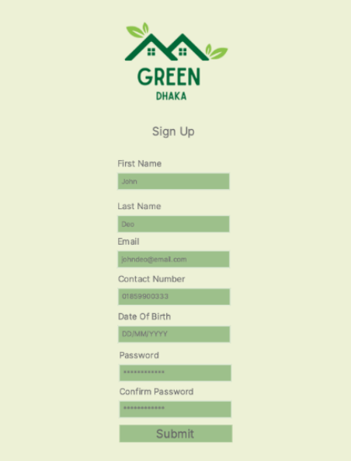 | Signup
phase 1 | 2 | Login [Admin] [User] | <Form> <input=email> <input=password> <option=remember me> <button=signin> <link=signup> <link=forgot password> | - Enter Email (input) - Enter password (input) - signin (button) - signup (link) - forgot password (link) | - Email must match database email - password must match database password - User go to dashboard (if email & password match with database) - User is promt with an error. "Email or password does not match!". (if email & password match with database) - clicking signup should take user to signup page - clicking forgot password should take him to forgot password page | 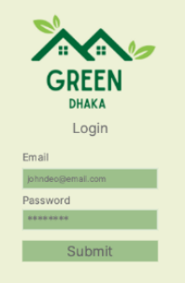 | Login
phase 1 | 3 | Forgot password[Admin] [User] | <Form> <input=email> <button=send code> <input=code> <input=password> <input=confirm Password> <button=submit> | - Enter email (input) - Press send code (button) - Enter new password (input) - Re-type new password (input) - click on change passowrd to update password (button) | - email must match DB email or promt "No email found!" - pressing send code will print a message "code sent!" and the code can be found at user info row. - enter new password [At least 8 characters long, atleast one special character] - re-type new password [it should match new password] - clicking submit button will show user -> "password changed" if all info match criteria or it'll indicate what's wrong | 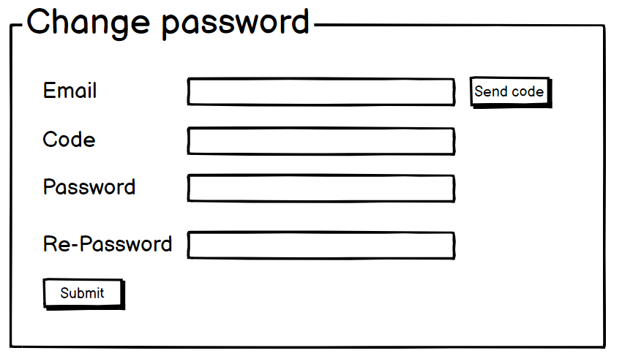 | forgot password
Feature: 2 |  | Home Page
phase 2 | 4 | Home [User] | Dashboard Garden Registration Solar Panel Registration News feed Subsidiary Calculator E-shop Donation Hiring a Gardener Expert opinion Schedule an appointment Support Service History About Us FAQ | -Dashboard(link) -Garden Registration(link) -Solar Panel Registration(link) -News feed(link) -Subsidiary Calculator(link) -E-shop(link) -Donation(link) -Hiring a Gardener(link) -Expert opinion(link) -Schedule an appointment(link) -Support(link) -Service History(link) -About Us(link) -FAQ(link) | - clicking dashboard will take user to dashboard page - go to the Garden Registration page on click - go to the Solar Panel Registration page on click - go to the News feed page on click - go to the Subsidiary Calculator page on click - go to the E-shop page on click - go to the Donation page on click - go to the Hiring a Gardener page on click - go to the Expert opinion page on click - go to the Schedule an appointment page on click - go to the Support page on click - go to the Service History page on click - go to the About Us page on click - go to the FAQ page on click | 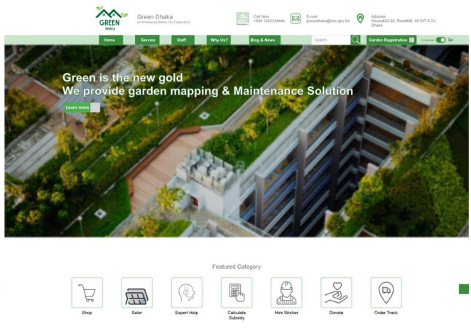 | Home
phase 2 | 5 | Home[Admin] | Dashboard Garden Registration approval Solar Panel Registration approval News feed approval Subsidiary Calculator E-shop order management Donation viewer Hiring a Gardener management Expert opinion management Schedule an appointment management Customer Support | -Dashboard(link) -Garden Registration approval(link) -Solar Panel Registration approval(link) -News feed approval(link) -Subsidiary Calculator(link) -E-shop order management(link) -Donation viewer(link) -Hiring a Gardener management(link) -Expert opinion management(link) -Schedule an appointment management(link) -Customer Support(link) | - clicking dashboard will take user to dashboard page - go to the Garden Registration approval page on click - go to the Solar Panel Registration approval page on click - go to the News feed approval page on click - go to the Subsidiary Calculator page on click - go to the E-shop management page on click - go to the Donation Viewer page on click - go to the Hiring a Gardener management page on click - go to the Expert opinion management page on click - go to the Schedule an appointment management page on click - go to the Customer Support page on click |  | Home(Admin)
Feature: 3 |  | Garden Registration
phase 3 | 6 | Registration | <Form> <input=email> <input=contact number> <input=dob> <input=address> <input=tiin> <input=password> <button=submit> <link=signin> | - Enter registered email (input) - Enter registered contact number (input) - Enter the user's date of birth (input) - Enter the user's present address(input) - Enter user TIIN number (input) - Enter password (input) [Logic: User's login password should be given here] - Click Submit (button) [Logic: If the email is unique, the user will be registered to the system (database)] | - Email (input) & contact number (input) field should only accept valid registered email address & contact numbers as input, otherwise will show an 'email/contacts already used' message. - Password (input) should be matched with users login password. Otherwise show an invalid message. - On clicking signup button, credential will be stored in database, user will be redirected to his dashboard. - A copy of the login information will be sent to his email. | 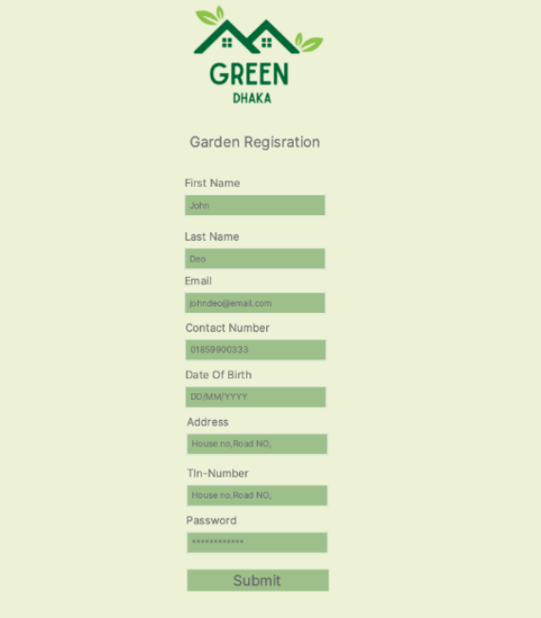 | Garden Register
Feature: 4 |  | Solar Panel Registration
phase 3 | 7 | Registration | <Form> <input=email> <input=contact number> <input=dob> <input=rooftopsize> <input=tin> <input=password> <button=submit> <link=signin> | - Enter registered email (input) - Enter registered contact number (input) - Enter the user's date of birth (input) - Enter the user's rooftop's proper measurement (input) - Enter user TIN number (input) - Enter password (input) [Logic: User's login password should be given here] - Click Submit (button) [Logic: If the email is unique, the user will be registered to the system (database)] | - Email (input) & contact number (input) field should only accept valid registered email address & contact numbers as input, otherwise will show an 'email/contacts already used' message. - Password (input) should be matched with users login password. Otherwise show an invalid message. - On clicking signup button, credential will be stored in database, user will be redirected to his dashboard. - A copy of the login information will be sent to his email. | 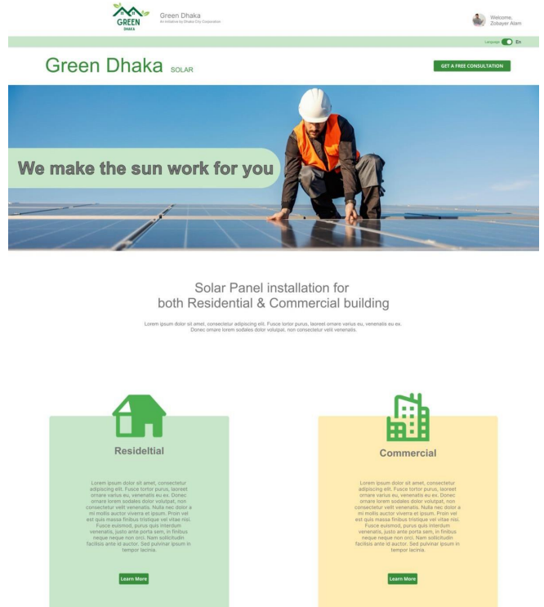 | Solar Panel Request
Feature: 5 |  | News feed
phase 3 | 8 | News Feed [User][Admin] | Home Write Post Upload Photo Feed View | - Click home to redirect to home page link - Click Write post to share user's thoughts - Click upload photo to share garden photos - Feed view shows others posts | -every post will be apporved by admin before showing into others feed | 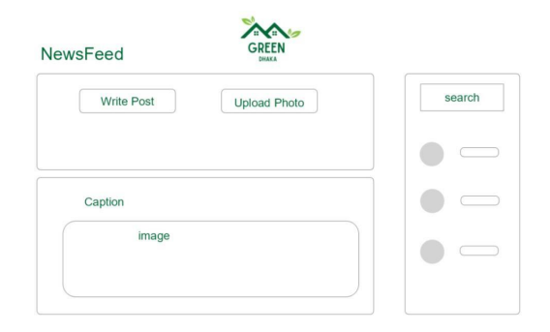 | Feed
Feature: 6 |  | Subsidiary Calculator
phase 2 | 9 | Calculate Subcidy [user][admin] | <form> <input=location> <input=area of rooftop> <input=garden area> <input=solar panel area> <button= submit> <output=tax reduction percentage> </form> | - enter area - enter area of rooftop - enter area of registered garden - enter area of solar panel - enter submit to calculate the subcidy | - its only a calculator to know the subcidy percentage. To avail it user must mail city corporation or contact support . | 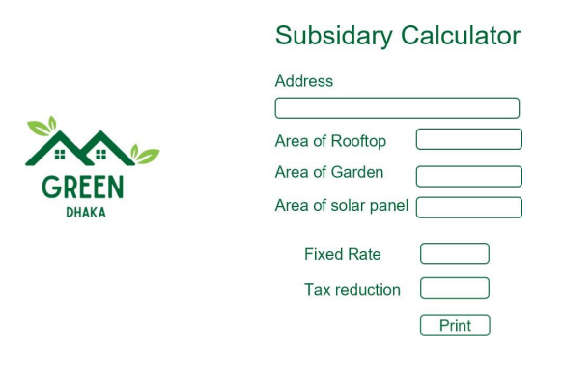 | Calculator
Feature: 7 |  | E-shop
phase 3 | 10 | Order Gardening Tools(User) | Products Price Add to cart Checkout | - user can select the products & add them it the cart - click checkout to redirect to checkout page | -user can only select items that are in the stock | 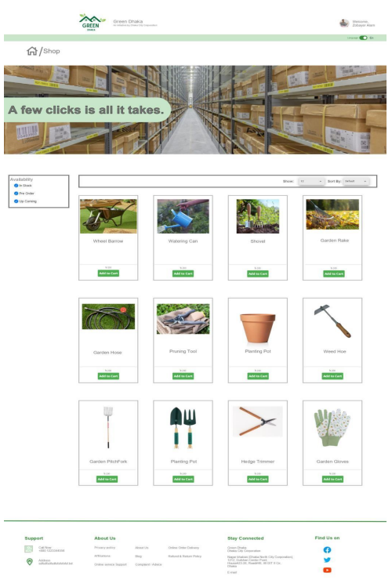 | shop
Feature: 8 |  | Checkout
phase 4 | 11 | Make payments(user) | Show cart items Total Price Delivery address Make payment Card payment MFS Cash Place order | - Cart Items will show all the selected items & there price/quantity - Total price will show the total billing price - Enter delivery address where the products will be shipped - Select desired payment method (card,mfs,cash) - Click place order to confirm order | Delivery address should me inside dhaka metropoliton area | 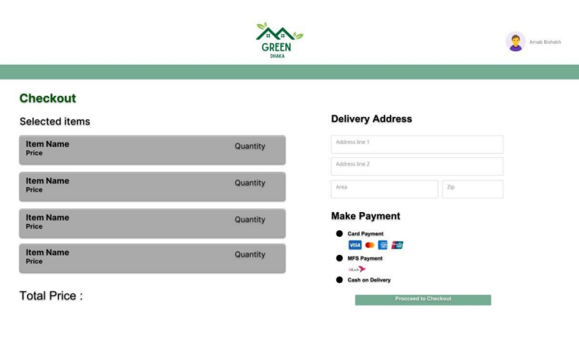 | checkout
Feature: 9 |  | Donation
phase 3 | 12 | Donate(user/admin) | Select type of donation Pickup Location Pick a Date Request Pickup | - Select type of donation to select money food or clothes - Enter pickup address for pickup loaction - Enter pickup date for an appointment - Press request button to request a pickup | - Select type of donation to specify the donation - Selecting money will redirect to make payment link - Food & clothes will need a pickup address & pick up date | 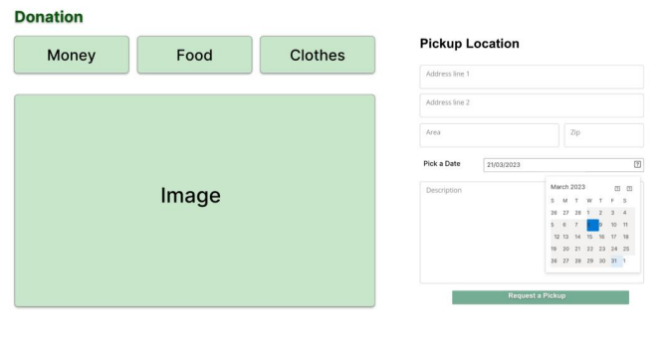 | donation
Feature: 10 |  | Hiring a Gardener
phase 3 | 13 | Hire a gardener(User) | Garden Location Pick a Date Request Gardener | - Enter Location of the garden - Enter pickup date for an appointment - Press request button to request a Gardener | -Gardener will be appointed after the confirmation of an admin | 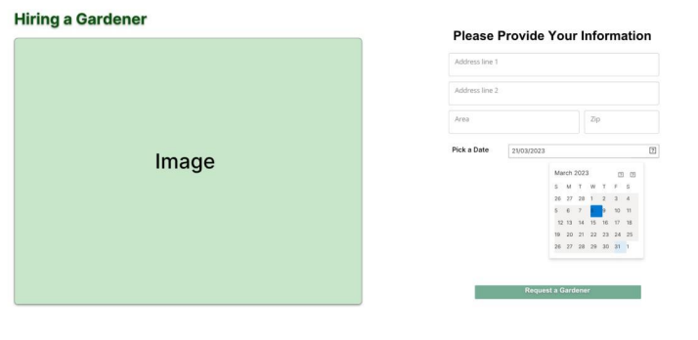 | gardener request
Feature: 11 |  | Expert opinion
phase 3 | 14 | Get Opinion from Expert(user) | Expert List Expert Details Book a house visit Book a Video Chat | -Select experts from expert list -Expert details will be shown after selecting - For home visit select book a house visit -For online soltuion select book a video chat | -Expert will be appointed after the confirmation of an admin | 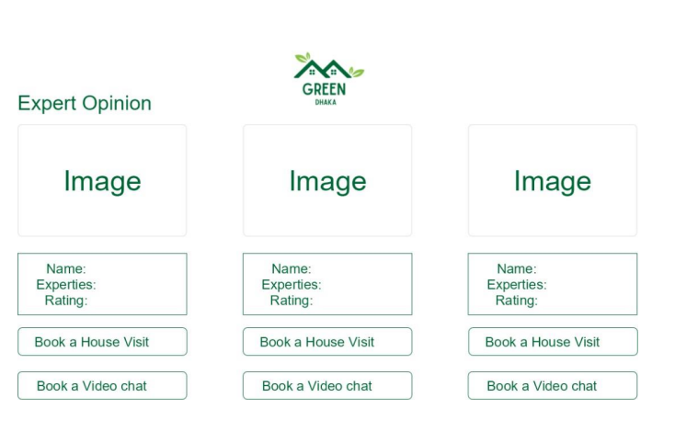 | expert request
Feature: 12 |  | Schedule an appointment
phase 3 | 15 | Make Request to visit garden(user) | Name Email Description Submit | -enter user's name - enter verified email - enter desciption for requesting the appointment - enter submit button for a request | -Expert will be appointed after the confirmation of an admin | 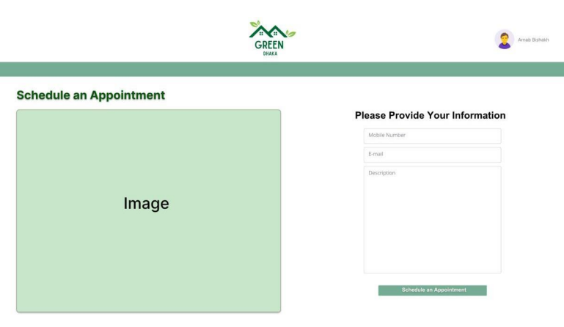 | appoinment
Feature: 13 |  | Support
phase 3 | 16 | Get Support(user) | chat hotline number give feedbacks | -click chat to get online chat support -click hotline number to copy contact number -click give feedback to write feedback | -customer support section is for technical issues | 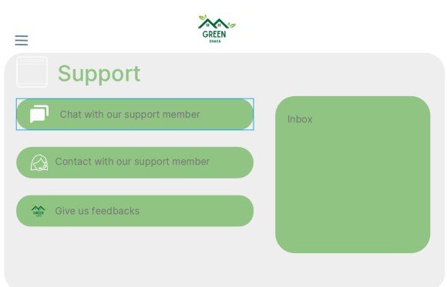 | support
Feature: 14 |  | Service History
phase 3 | 17 | view support history(user) | support list ongoing closed | -click ongoging for active support requests -click closed for past support requests | - each & every requests will be shown here | 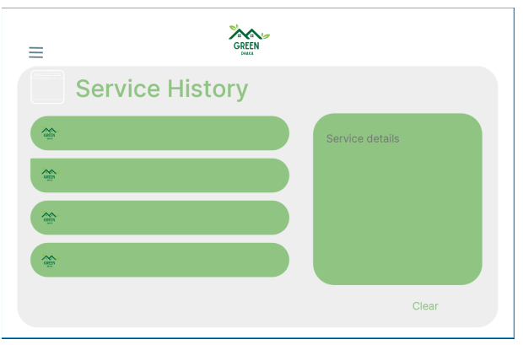 | history
Feature: 15 |  | About Us
phase 2 | 18 | description about green dhaka(user/admin) | image slider about us contacts | -image slider will show recent activity photos -about us will give information about the mission & vissions -contacts will show a list of other govt. organizations | -everyone can visit it even without loging in the site | 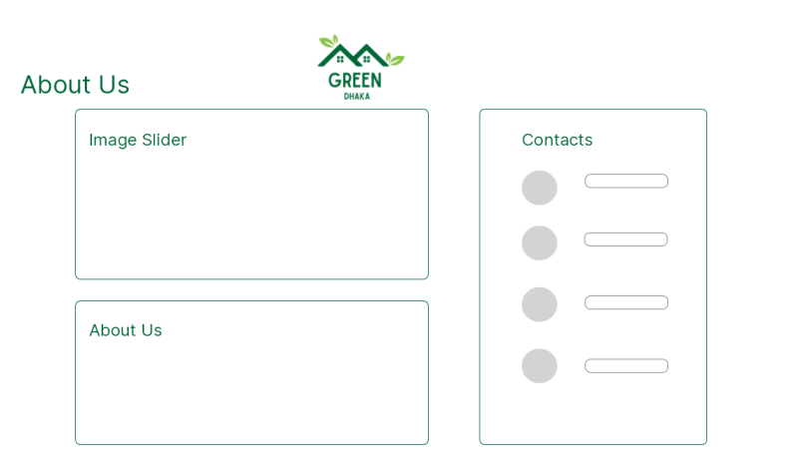 | mission & vission

